Sheet3
 |  |  |  |  |  |  |  | JOB ANALYSIS RISK ASSESSMENT
 |  |  |  |  |  |  |  | Company

 |  |  |  |  |  |  |  | Job Title
 |  |  |  |  |  |  |  | Date
 |  |  |  |  |  |  |  | Analyst Name

STEP 1. Measure and record task variable |  |  |  |  | Please fill in all light yellow boxes. Information on dimensions can be seen on drawings below.

Object Weight (lbs) |  | Hand Location (in) |  |  |  | Vertical Distance (in) | Asymmetric Angle (deg) |  | Frequency Rate |  | Duration | Object Coupling | Note: Object Coupling/Grip is either GOOD,FAIR, or POOR
 |  | Orgin |  | Destination |  |  | Orgin | Destination | lifts/min |  | (HRS)
L (AVG) | L (Max) | H | V | H | V | D | A | A | F |  |  | C | Please fill in all light yellow boxes. Information on dimensions can be seen on drawings below.

STEP 2. Determine the multipliers and compute the RWL's

 | RWL = LC x HM x VM x DM x AM x FM x CM
 |  |  |  |  |  |  |  |  |  |  |  |  |  |  |  | #DIV/0!
ORIGIN | RWL | 51 | x | #DIV/0! | x | 0.775 | x | 1 | x | 1 |  | See Table 5 |  | See Table 7 | = |  | lbs
 |  |  |  |  |  |  |  |  |  |  |  |  |  |  |  | #DIV/0!
DESTINATION | RWL | 51 | x | #DIV/0! | x | 0.775 | x | #DIV/0! | x | 1 |  | See Table 5 |  | See Table 7 | = |  | lbs

STEP 3. Compute the LIFTING INDEX
 |  |  |  |  | OBJECT WEIGHT |  |  |  |  | #DIV/0! |  |  | Note: A lifting index greater than 1 could be considered potentially dangerous for an operator.
ORGIN |  | LIFTING INDEX = |  |  |  |  | = | 0 | =

 |  |  |  |  | RWL |  |  | #DIV/0!

DESTINATION |  |  |  |  | OBJECT WEIGHT |  |  |  |  | #DIV/0!
 |  | LIFTING INDEX = |  |  |  |  | = | 0 | =

 |  |  |  |  | RWL |  |  | #DIV/0!

TABLE 5 |  |  |  |  |  |  |  | TABLE 7 |  |  |  | TABLE 3
FREQUENCY MULTIPLIER TABLE |  |  |  |  |  |  |  | COUPLING MULTIPLIER |  |  |  | DISTANCE MULTIPLIER
LIFTS/MIN (F) | Work Duration |  |  |  |  |  |  | Coupling Type | Coupling Multiplier |  |  | D | DM
 | < 1 Hour |  | >1 Hr and <2Hr |  | >2 Hr but < 8 Hours |  |  |  | V<30 | V>30 |  | in
 | V < 30 | V> 30 | V<30 | V>30 | V<30 | V>30 |  | Good | 1 | 1 |  | <10 | 1
<0.2 | 1 | 1 | 0.95 | 0.95 | 0.85 | 0.85 |  | Fair | 0.95 | 1 |  | 15 | 0.94
0.5 | 0.97 | 0.97 | 0.92 | 0.92 | 0.81 | 0.81 |  | Poor | 0.9 | 0.9 |  | 20 | 0.91
1 | 0.94 | 0.94 | 0.88 | 0.88 | 0.75 | 0.75 |  |  |  |  |  | 25 | 0.89
2 | 0.91 | 0.91 | 0.84 | 0.84 | 0.65 | 0.65 |  |  |  |  |  | 30 | 0.88
3 | 0.88 | 0.88 | 0.79 | 0.79 | 0.55 | 0.55 |  |  |  |  |  | 35 | 0.87
4 | 0.84 | 0.84 | 0.72 | 0.6 | 0.45 | 0.45 |  |  |  |  |  | 40 | 0.87
5 | 0.8 | 0.8 | 0.6 | 0.5 | 0.35 | 0.35 |  |  |  |  |  | 45 | 0.86
6 | 0.75 | 0.75 | 50 | 0.42 | 0.27 | 0.27 |  |  |  |  |  | 50 | 0.86
7 | 0.7 | 0.7 | 0.42 | 0.35 | 0.22 | 0.22 |  |  |  |  |  | 55 | 0.85
8 | 0.6 | 0.6 | 0.35 | 0.3 | 0.18 | 0.18 |  |  |  |  |  | 60 | 0.85
9 | 0.52 | 0.52 | 0.26 | 0.26 | 0 | 0.15 |  |  |  |  |  | 70 | 0.85
10 | 0.45 | 0.45 | 0 | 0.23 | 0 | 0.13 |  |  |  |  |  | >70 | 0
11 | 0.41 | 0.41 | 0 | 0.21 | 0 | 0
12 | 0.37 | 0.37 | 0 | 0 | 0 | 0
13 | 0 | 0.34 | 0 | 0 | 0 | 0
14 | 0 | 0.31 | 0 | 0 | 0 | 0
15 | 0 | 0.28 | 0 | 0 | 0 | 0
>15 | 0 | 0 | 0 | 0 | 0 | 0

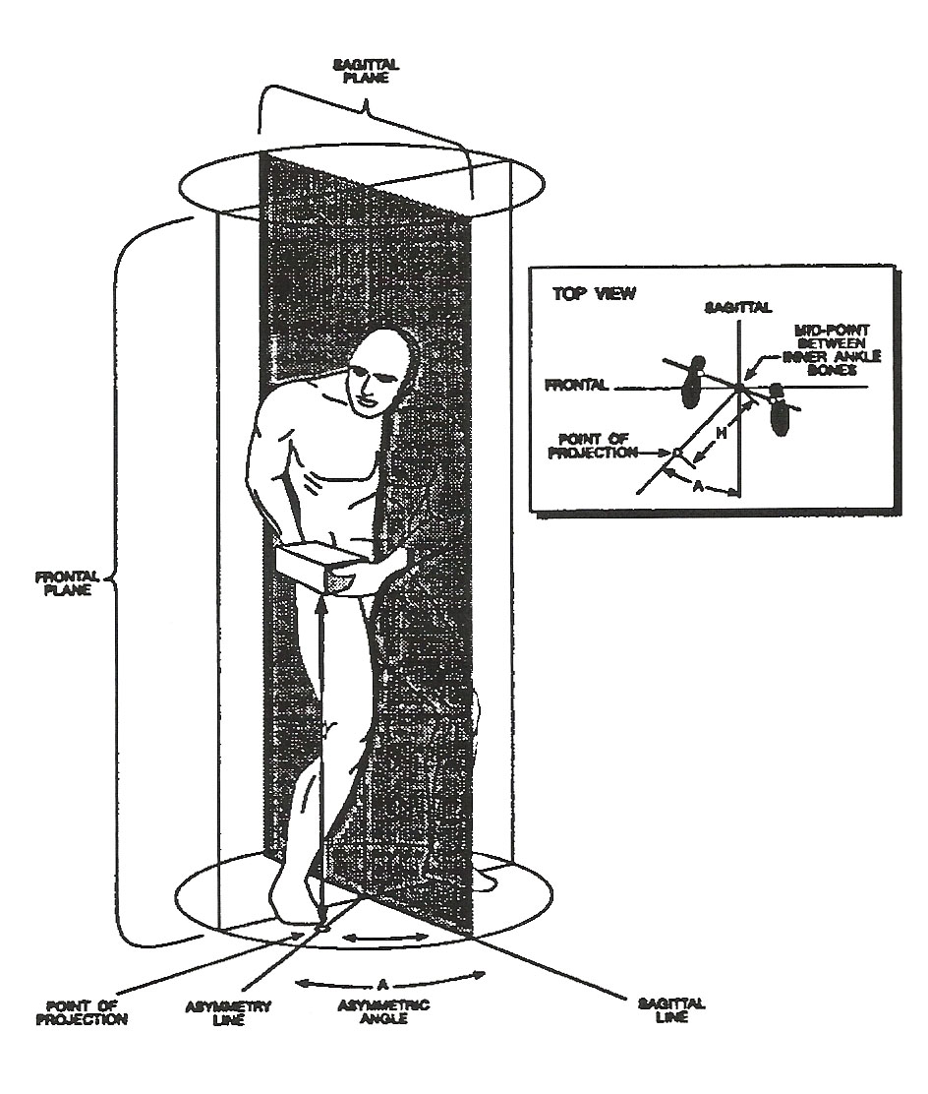
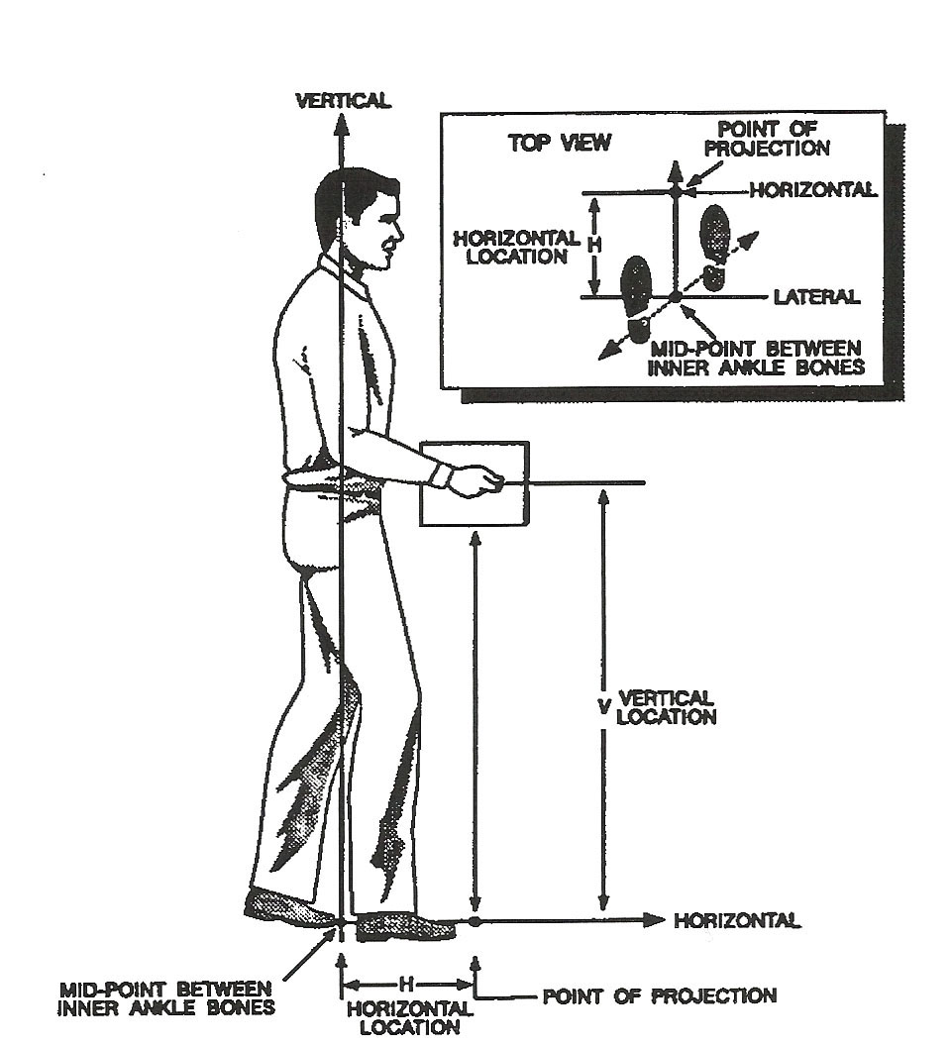

 | www.ergonomicpartners.com

Copyright, Legal Notice and Disclaimer: This publication is protected under the US Copyright Act of 1976 and all other applicable international, federal, state and local laws, and all rights are reserved

